Budget Dashboard
Budget Dashboard

 | 71%
Period Completed
Period Tracking Balance
₹2,21,488
of tracked income left to be allocated
Period Savings Rate
76%
You are saving:
 |  |  |  |  |  |  |  |  |  |  |  | Year
 |  |  |  |  |  |  |  |  |  | Select the year to view -> |  | Current Year
71%
 |  |  |  |  |  |  |  |  |  |  |  | Period
 |  |  |  |  |  |  |  |  |  | Select the period to view -> |  | Total Year

 | Breakdown - 2026 (Total Year) |  |  |  |  |  | Summary - 2026 (Total Year)

Income Categories (Tracked)
Tracked (vs.Budget)
JPMC Salary | ₹291,488
 | ₹0
 | ₹0
 | ₹0
 | ₹0
 | ₹0
2026-01-01 | ₹0 | ₹0 | ₹0 | ₹0 | ₹0 | ₹0
 | ₹0 | ₹0 | ₹0 | ₹0 | ₹0 | ₹0
 | ₹0 | ₹0 | ₹0 | ₹0 | ₹0 | ₹0
2026-02-01 | ₹0 | ₹0 | ₹0 | ₹0 | ₹0 | ₹0
 | ₹0 | ₹0 | ₹0 | ₹0 | ₹0 | ₹0
 | ₹0 | ₹0 | ₹0 | ₹0 | ₹0 | ₹0
2026-03-01 | ₹0 | ₹0 | ₹0 | ₹0 | ₹0 | ₹0
 | ₹0 | ₹0 | ₹0 | ₹0 | ₹0 | ₹0
 | ₹0 | ₹0 | ₹0 | ₹0 | ₹0 | ₹0
2026-04-01 | ₹0 | ₹0 | ₹0 | ₹0 | ₹0 | ₹0
 | ₹0 | ₹0 | ₹0 | ₹0 | ₹0 | ₹0
 | ₹0 | ₹0 | ₹0 | ₹0 | ₹0 | ₹0
2026-05-01 | ₹145,744 | ₹0 | ₹0 | ₹0 | ₹0 | ₹0
 | ₹35,000 | ₹22,417 | ₹0 | ₹0 | ₹0 | ₹0
 | ₹0 | ₹0 | ₹0 | ₹0 | ₹0 | ₹0
2026-06-01 | ₹145,744 | ₹2,100 | ₹0 | ₹0 | ₹0 | ₹0
 | ₹35,000 | ₹22,000 | ₹0 | ₹0 | ₹0 | ₹0
 | ₹0 | ₹0 | ₹0 | ₹0 | ₹0 | ₹0
2026-07-01 | ₹0 | ₹0 | ₹0 | ₹0 | ₹0 | ₹0
 | ₹0 | ₹0 | ₹0 | ₹0 | ₹0 | ₹0
 | ₹0 | ₹0 | ₹0 | ₹0 | ₹0 | ₹0
2026-08-01 | ₹0 | ₹0 | ₹0 | ₹0 | ₹0 | ₹0
 | ₹0 | ₹0 | ₹0 | ₹0 | ₹0 | ₹0
 | ₹0 | ₹0 | ₹0 | ₹0 | ₹0 | ₹0
2026-09-01 | ₹0 | ₹0 | ₹0 | ₹0 | ₹0 | ₹0
 | ₹0 | ₹0 | ₹0 | ₹0 | ₹0 | ₹0
 | ₹0 | ₹0 | ₹0 | ₹0 | ₹0 | ₹0
2026-10-01 | ₹0 | ₹0 | ₹0 | ₹0 | ₹0 | ₹0
 | ₹0 | ₹0 | ₹0 | ₹0 | ₹0 | ₹0
 | ₹0 | ₹0 | ₹0 | ₹0 | ₹0 | ₹0
2026-11-01 | ₹0 | ₹0 | ₹0 | ₹0 | ₹0 | ₹0
 | ₹0 | ₹0 | ₹0 | ₹0 | ₹0 | ₹0
 | ₹0 | ₹0 | ₹0 | ₹0 | ₹0 | ₹0
2026-12-01 | ₹0 | ₹0 | ₹0 | ₹0 | ₹0 | ₹0
 | ₹0 | ₹0 | ₹0 | ₹0 | ₹0 | ₹0
 | ₹0 | ₹0 | ₹0 | ₹0 | ₹0 | ₹0
 | Income | Tracked | Budget | % Compl. | Remaining | Excess
 | JPMC Salary | ₹291,488 | ₹291,488 | 100% | ₹0 | ₹0
 | One Time Income | ₹0 | ₹2,100 | 0% | ₹2,100 | ₹0
 | JPMC Bonus | ₹0 | ₹0 | - | ₹0 | ₹0 |  | JPMC Salary | ₹291,488
 | Side Hustle | ₹0 | ₹0 | - | ₹0 | ₹0
 | Bank Interest | ₹0 | ₹0 | - | ₹0 | ₹0
 | Total | ₹291,488 | ₹293,588 | 99% | ₹2,100 | ₹0

 | Expenses | Tracked | Budget | % Compl. | Remaining | Excess
 | Rent | ₹70,000 | ₹70,000 | 100% | ₹0 | ₹0 |  | Total | ₹291,488
 | CC Bill | ₹0 | ₹44,417 | 0% | ₹44,417 | ₹0
 | Groceries | ₹0 | ₹0 | - | ₹0 | ₹0
 | Transport | ₹0 | ₹0 | - | ₹0 | ₹0
Expenses Categories (Tracked)
Savings Categories (Tracked)
 | Utilities | ₹0 | ₹0 | - | ₹0 | ₹0
 | Insurance | ₹0 | ₹0 | - | ₹0 | ₹0
Rent | ₹70,000
 | ₹0
 | ₹0
 | ₹0
 | ₹0
 | ₹0
 | ₹0
 | ₹0
 | ₹0
 | ₹0
 | ₹0
 | ₹0
 | Clothing | ₹0 | ₹0 | - | ₹0 | ₹0
 | Cosmetics | ₹0 | ₹0 | - | ₹0 | ₹0 |  | Rent | 70000
 | Medicine | ₹0 | ₹0 | - | ₹0 | ₹0
 | Media | ₹0 | ₹0 | - | ₹0 | ₹0
 | Fun & Vacation | ₹0 | ₹0 | - | ₹0 | ₹0
 | Gifting | ₹0 | ₹0 | - | ₹0 | ₹0
 | Miscellaneous | ₹0 | ₹0 | - | ₹0 | ₹0
 | Taxes | ₹0 | ₹0 | - | ₹0 | ₹0 |  | Total | ₹70,000 |  | Total | ₹0
 | Debit Card Fees | ₹0 | ₹0 | - | ₹0 | ₹0
 | Total | ₹70,000 | ₹114,417 | 61% | ₹44,417 | ₹0

 | Savings | Tracked | Budget | % Compl. | Remaining | Excess
 | Bank | ₹0 | ₹0 | - | ₹0 | ₹0
 | Emergency Fund | ₹0 | ₹0 | - | ₹0 | ₹0
 | Gold | ₹0 | ₹0 | - | ₹0 | ₹0
 | Retirement Fund | ₹0 | ₹0 | - | ₹0 | ₹0
 | Sinking Fund Down Payment | ₹0 | ₹0 | - | ₹0 | ₹0
 | Sinking Fund Future Payment | ₹0 | ₹0 | - | ₹0 | ₹0
 | Total | ₹0 | ₹0 | - | ₹0 | ₹0

Budget Planning
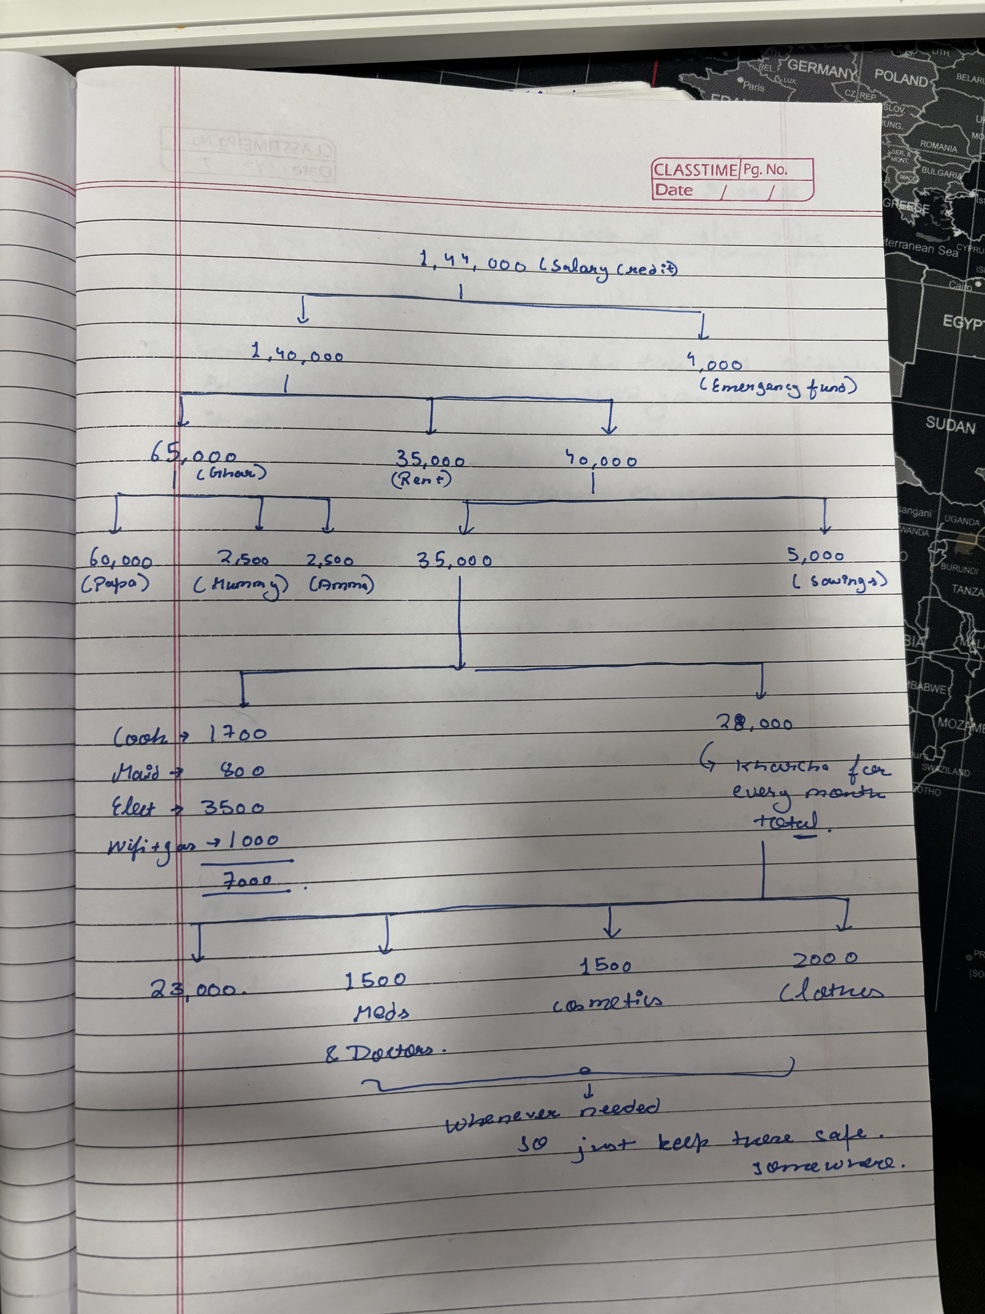
Budget Planning

 |  |  |  |  |  |  | 2026
 |  | Total ✓ | Total ✓ | Total ✓ | Total ✓ | Total ✓ | Jan ✓ | Feb ✓ | Mar ✓ | Apr ✓ | May | Jun | Jul ✓ | Aug ✓ | Sep ✓ | Oct ✓ | Nov ✓ | Dec ✓ | Total | Total ✓ | Total ✓ | Total ✓ | Total ✓ | Total ✓
 | To be allocated: | - | - | - | - | - | - | - | - | - | 88,327.00 | 90,844.00 | - | - | - | - | - | - | 179,171.00 | - | - | - | - | -

 | Income | 2021 | 2022 | 2023 | 2024 | 2025 | 2026-01-01 | 2026-02-01 | 2026-03-01 | 2026-04-01 | 2026-05-01 | 2026-06-01 | 2026-07-01 | 2026-08-01 | 2026-09-01 | 2026-10-01 | 2026-11-01 | 2026-12-01 | 2026 | 2027 | 2028 | 2029 | 2030 | 2031
 | JPMC Salary | ₹- | ₹- | ₹- | ₹- | ₹- |  |  |  |  | ₹145,744.00 | ₹145,744.00 |  |  |  |  |  |  | ₹291,488.00 | ₹- | ₹- | ₹- | ₹- | ₹-
 | JPMC Bonus | ₹- | ₹- | ₹- | ₹- | ₹- |  |  |  |  | ₹- | ₹- |  |  |  |  |  |  | ₹- | ₹- | ₹- | ₹- | ₹- | ₹-
 | Side Hustle | ₹- | ₹- | ₹- | ₹- | ₹- |  |  |  |  | ₹- | ₹- |  |  |  |  |  |  | ₹- | ₹- | ₹- | ₹- | ₹- | ₹-
 | Bank Interest | ₹- | ₹- | ₹- | ₹- | ₹- |  |  |  |  | ₹- | ₹- |  |  |  |  |  |  | ₹- | ₹- | ₹- | ₹- | ₹- | ₹-
 | One Time Income | ₹- | ₹- | ₹- | ₹- | ₹- |  |  |  |  | ₹- | ₹2,100.00 |  |  |  |  |  |  | ₹2,100.00 | ₹- | ₹- | ₹- | ₹- | ₹-
 | Enter Income Category | ₹- | ₹- | ₹- | ₹- | ₹- |  |  |  |  |  |  |  |  |  |  |  |  | ₹- | ₹- | ₹- | ₹- | ₹- | ₹-
 | Enter Income Category | ₹- | ₹- | ₹- | ₹- | ₹- |  |  |  |  |  |  |  |  |  |  |  |  | ₹- | ₹- | ₹- | ₹- | ₹- | ₹-
 | Total | ₹- | ₹- | ₹- | ₹- | ₹- | ₹- | ₹- | ₹- | ₹- | ₹145,744.00 | ₹147,844.00 | ₹- | ₹- | ₹- | ₹- | ₹- | ₹- | ₹293,588.00 | ₹- | ₹- | ₹- | ₹- | ₹-

 | Expenses | 2021 | 2022 | 2023 | 2024 | 2025 | 2026-01-01 | 2026-02-01 | 2026-03-01 | 2026-04-01 | 2026-05-01 | 2026-06-01 | 2026-07-01 | 2026-08-01 | 2026-09-01 | 2026-10-01 | 2026-11-01 | 2026-12-01 | 2026 | 2027 | 2028 | 2029 | 2030 | 2031
 | Rent | ₹- | ₹- | ₹- | ₹- | ₹- |  |  |  |  | ₹35,000.00 | ₹35,000.00 |  |  |  |  |  |  | ₹70,000.00 | ₹- | ₹- | ₹- | ₹- | ₹-
 | Groceries | ₹- | ₹- | ₹- | ₹- | ₹- |  |  |  |  |  |  |  |  |  |  |  |  | ₹- | ₹- | ₹- | ₹- | ₹- | ₹-
 | Transport | ₹- | ₹- | ₹- | ₹- | ₹- |  |  |  |  |  |  |  |  |  |  |  |  | ₹- | ₹- | ₹- | ₹- | ₹- | ₹-
 | Utilities | ₹- | ₹- | ₹- | ₹- | ₹- |  |  |  |  |  |  |  |  |  |  |  |  | ₹- | ₹- | ₹- | ₹- | ₹- | ₹-
 | Insurance | ₹- | ₹- | ₹- | ₹- | ₹- |  |  |  |  |  |  |  |  |  |  |  |  | ₹- | ₹- | ₹- | ₹- | ₹- | ₹-
 | Clothing | ₹- | ₹- | ₹- | ₹- | ₹- |  |  |  |  |  |  |  |  |  |  |  |  | ₹- | ₹- | ₹- | ₹- | ₹- | ₹-
 | Cosmetics | ₹- | ₹- | ₹- | ₹- | ₹- |  |  |  |  |  |  |  |  |  |  |  |  | ₹- | ₹- | ₹- | ₹- | ₹- | ₹-
 | Medicine | ₹- | ₹- | ₹- | ₹- | ₹- |  |  |  |  |  |  |  |  |  |  |  |  | ₹- | ₹- | ₹- | ₹- | ₹- | ₹-
 | Media | ₹- | ₹- | ₹- | ₹- | ₹- |  |  |  |  |  |  |  |  |  |  |  |  | ₹- | ₹- | ₹- | ₹- | ₹- | ₹-
 | Fun & Vacation | ₹- | ₹- | ₹- | ₹- | ₹- |  |  |  |  |  |  |  |  |  |  |  |  | ₹- | ₹- | ₹- | ₹- | ₹- | ₹-
 | Gifting | ₹- | ₹- | ₹- | ₹- | ₹- |  |  |  |  |  |  |  |  |  |  |  |  | ₹- | ₹- | ₹- | ₹- | ₹- | ₹-
 | Miscellaneous | ₹- | ₹- | ₹- | ₹- | ₹- |  |  |  |  |  |  |  |  |  |  |  |  | ₹- | ₹- | ₹- | ₹- | ₹- | ₹-
 | Taxes | ₹- | ₹- | ₹- | ₹- | ₹- |  |  |  |  |  |  |  |  |  |  |  |  | ₹- | ₹- | ₹- | ₹- | ₹- | ₹-
 | Debit Card Fees | ₹- | ₹- | ₹- | ₹- | ₹- |  |  |  |  |  |  |  |  |  |  |  |  | ₹- | ₹- | ₹- | ₹- | ₹- | ₹-
 | CC Bill | ₹- | ₹- | ₹- | ₹- | ₹- |  |  |  |  | ₹22,417.00 | ₹22,000.00 |  |  |  |  |  |  | ₹44,417.00 | ₹- | ₹- | ₹- | ₹- | ₹-
 | Enter Income Category | ₹- | ₹- | ₹- | ₹- | ₹- |  |  |  |  |  |  |  |  |  |  |  |  | ₹- | ₹- | ₹- | ₹- | ₹- | ₹-
 | Total | ₹- | ₹- | ₹- | ₹- | ₹- | ₹- | ₹- | ₹- | ₹- | ₹57,417.00 | ₹57,000.00 | ₹- | ₹- | ₹- | ₹- | ₹- | ₹- | ₹114,417.00 | ₹- | ₹- | ₹- | ₹- | ₹-

 | Savings | 2021 | 2022 | 2023 | 2024 | 2025 | 2026-01-01 | 2026-02-01 | 2026-03-01 | 2026-04-01 | 2026-05-01 | 2026-06-01 | 2026-07-01 | 2026-08-01 | 2026-09-01 | 2026-10-01 | 2026-11-01 | 2026-12-01 | 2026 | 2027 | 2028 | 2029 | 2030 | 2031
 | Bank | ₹- | ₹- | ₹- | ₹- | ₹- |  |  |  |  |  |  |  |  |  |  |  |  | ₹- | ₹- | ₹- | ₹- | ₹- | ₹-
 | Emergency Fund | ₹- | ₹- | ₹- | ₹- | ₹- |  |  |  |  |  |  |  |  |  |  |  |  | ₹- | ₹- | ₹- | ₹- | ₹- | ₹-
 | Gold | ₹- | ₹- | ₹- | ₹- | ₹- |  |  |  |  |  |  |  |  |  |  |  |  | ₹- | ₹- | ₹- | ₹- | ₹- | ₹-
 | Retirement Fund | ₹- | ₹- | ₹- | ₹- | ₹- |  |  |  |  |  |  |  |  |  |  |  |  | ₹- | ₹- | ₹- | ₹- | ₹- | ₹-
 | Sinking Fund Down Payment | ₹- | ₹- | ₹- | ₹- | ₹- |  |  |  |  |  |  |  |  |  |  |  |  | ₹- | ₹- | ₹- | ₹- | ₹- | ₹-
 | Sinking Fund Future Payment | ₹- | ₹- | ₹- | ₹- | ₹- |  |  |  |  |  |  |  |  |  |  |  |  | ₹- | ₹- | ₹- | ₹- | ₹- | ₹-
 | Total | ₹- | ₹- | ₹- | ₹- | ₹- | ₹- | ₹- | ₹- | ₹- | ₹- | ₹- | ₹- | ₹- | ₹- | ₹- | ₹- | ₹- | ₹- | ₹- | ₹- | ₹- | ₹- | ₹-

Budget Tracking
Budget Tracking

Date of Today
17-Sep-26
Date of Last Record
1-Jun-26
(108 days ago)
No. of Tracked Records
4
(4 this year)
Total Tracking Balance
₹2,21,488.00
of tracked income left to be allocated

 | Date | Type | Category | Amount | Details | Balance | Effective Date
 | 28-May-26 | Income | JPMC Salary | ₹145,744.00 | Salary | ₹256,488.00 | 1-Jun-26
 | 28-Apr-26 | Income | JPMC Salary | ₹145,744.00 | Salary | ₹145,744.00 | 1-May-26
 | 1-May-26 | Expenses | Rent | ₹35,000.00 | Rent | ₹110,744.00 | 1-May-26
 | 1-Jun-26 | Expenses | Rent | ₹35,000.00 | Rent | ₹221,488.00 | 1-Jun-26
 |  |  |  |  |  | ₹- | 0
 |  |  |  |  |  | ₹- | 0
 |  |  |  |  |  | ₹- | 0
 |  |  |  |  |  | ₹- | 0
 |  |  |  |  |  | ₹- | 0
 |  |  |  |  |  | ₹- | 0
 |  |  |  |  |  | ₹- | 0
 |  |  |  |  |  | ₹- | 0
 |  |  |  |  |  | ₹- | 0
 |  |  |  |  |  | ₹- | 0
 |  |  |  |  |  | ₹- | 0
 |  |  |  |  |  | ₹- | 0
 |  |  |  |  |  | ₹- | 0
 |  |  |  |  |  | ₹- | 0

